Quantities explained
SELF-WEIGHT AND QUANTITIES DESCRIBING PROPERTIES OF LIFTING DEVICES
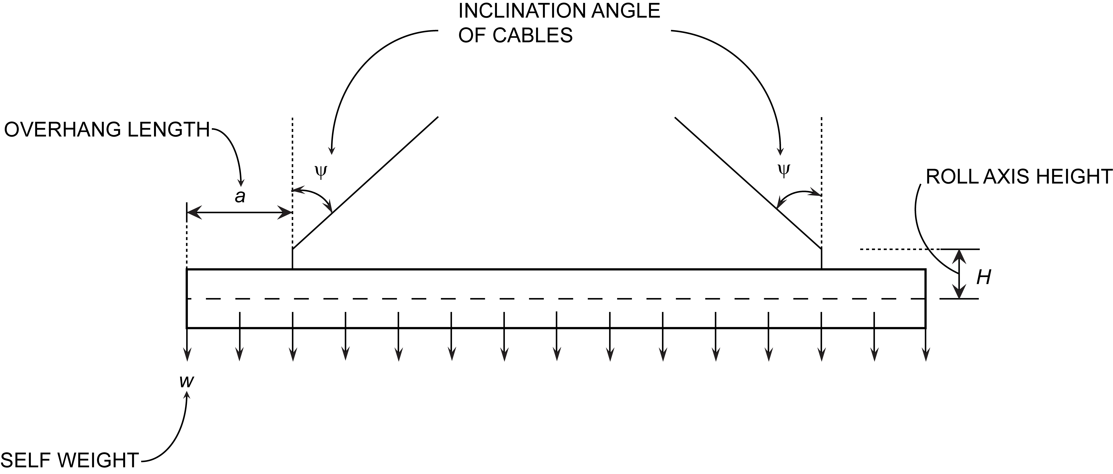

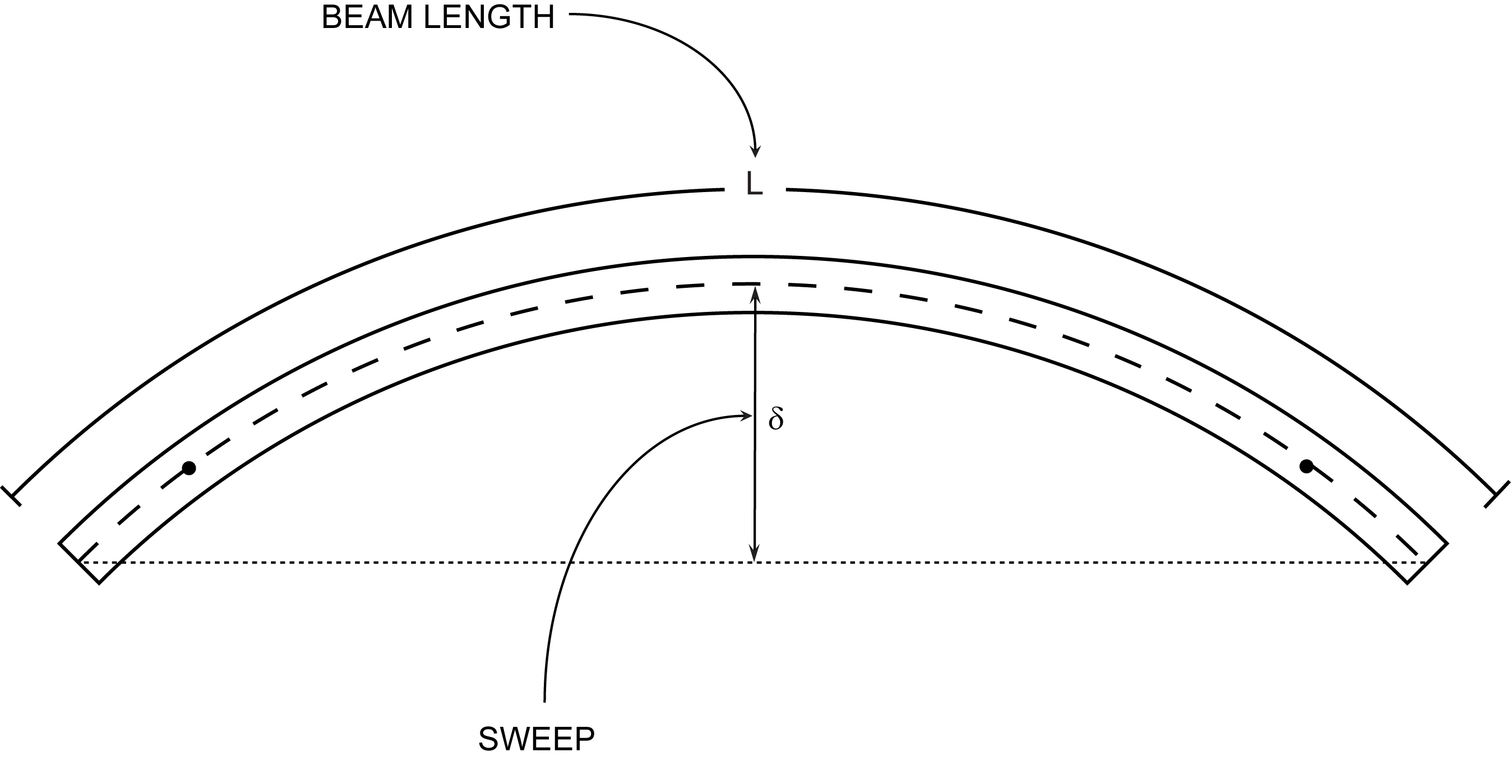
SWEEP

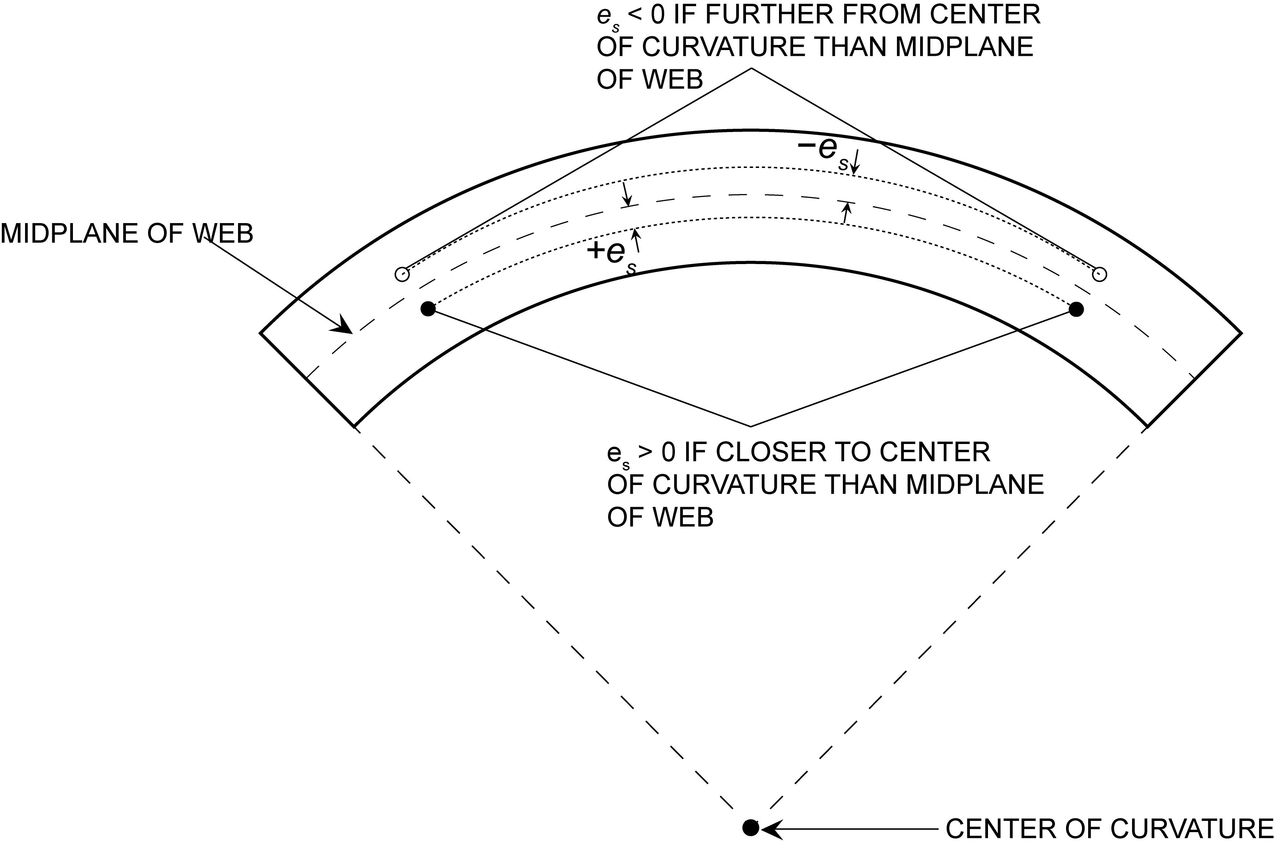
ECCENTRICITY OF LIFT SUPPORTS

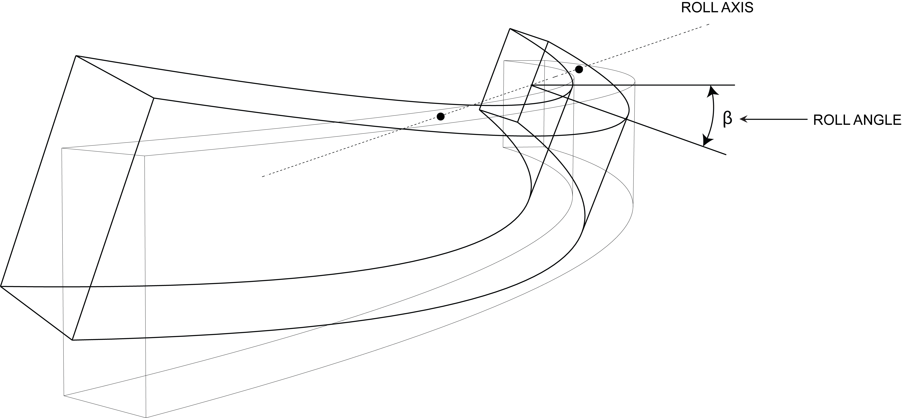
ROLL ANGLE

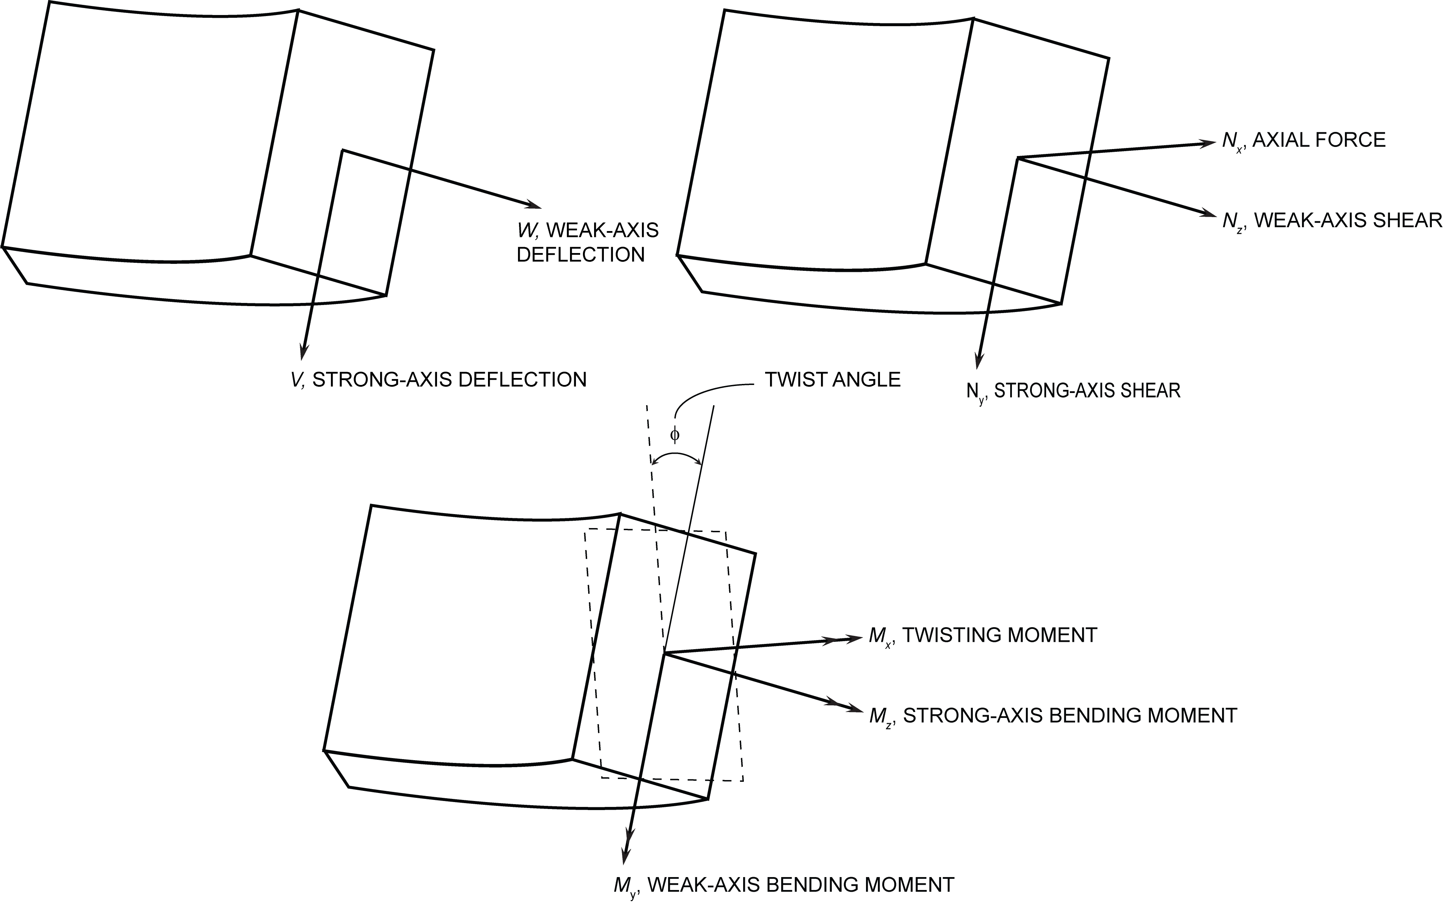
DEFLECTIONS, SHEAR, MOMENTS, AND TWIST

Plots
Weak-axis bending moment vs. position along right half of beam
0 | 71.447 | 71.447
16.32 | 71.409 | 71.409
32.64 | 71.293 | 71.293
48.96 | 71.101 | 71.101
65.28 | 70.832 | 70.832
81.6 | 70.486 | 70.486
97.92 | 70.063 | 70.063
114.24 | 69.563 | 69.563
130.56 | 68.986 | 68.986
146.88 | 68.333 | 68.333
163.2 | 67.602 | 67.602
179.52 | 66.795 | 66.795
195.84 | 65.911 | 65.911
212.16 | 64.949 | 64.949
228.48 | 63.911 | 63.911
244.8 | 62.796 | 62.796
261.12 | 61.604 | 61.604
277.44 | 60.335 | 60.335
293.76 | 58.990 | 58.990
310.08 | 57.567 | 57.567
326.4 | 56.068 | 56.068
342.72 | 54.491 | 54.491
359.04 | 52.838 | 52.838
375.36 | 51.108 | 51.108
391.68 | 49.301 | 49.301
408 | 47.417 | 47.417
424.32 | 45.456 | 45.456
440.64 | 43.418 | 43.418
456.96 | 41.304 | 41.304
473.28 | 39.112 | 39.112
489.6 | 36.844 | 36.844
505.92 | 34.498 | 34.498
522.24 | 32.076 | 32.076
538.56 | 29.577 | 29.577
554.88 | 27.001 | 27.001
571.2 | 24.348 | 24.348
587.52 | 21.618 | 21.618
603.84 | 18.811 | 18.811
620.16 | 15.928 | 15.928
636.48 | 12.967 | 12.967
652.8 | 9.930 | 9.930
669.12 | 6.815 | 6.815
685.44 | 3.624 | 3.624
701.76 | 0.356 | 0.356
718.08 | -1.306 | -1.306
734.4 | -0.907 | -0.907
750.72 | -0.581 | -0.581
767.04 | -0.327 | -0.327
783.36 | -0.145 | -0.145
799.68 | -0.036 | -0.036
...
Twisting moment vs. position along right half of beam
0 | 0
16.32 | 0.14355096097
32.64 | 0.28695230921
48.96 | 0.430054432
65.28 | 0.57270771662
81.6 | 0.71476255032
97.92 | 0.85606932043
114.24 | 0.99647841424
130.56 | 1.135840219
146.88 | 1.2740051221
163.2 | 1.4108235108
179.52 | 1.5461457725
195.84 | 1.6798222945
212.16 | 1.8117034642
228.48 | 1.9416396689
244.8 | 2.0694812961
261.12 | 2.1950787332
277.44 | 2.3182823676
293.76 | 2.4389425868
310.08 | 2.5569097784
326.4 | 2.6720343298
342.72 | 2.7841666285
359.04 | 2.8931570621
375.36 | 2.9988560184
391.68 | 3.1011138847
408 | 3.199781049
424.32 | 3.2947078988
440.64 | 3.3857448218
456.96 | 3.472742206
473.28 | 3.5555504389
489.6 | 3.6340199088
505.92 | 3.7080010032
522.24 | 3.7773441102
538.56 | 3.8418996177
554.88 | 3.901517914
571.2 | 3.9560493868
587.52 | 4.0053444244
603.84 | 4.049253415
620.16 | 4.0876267469
636.48 | 4.1203148082
652.8 | 4.1471679873
669.12 | 4.1680366728
685.44 | 4.1827712529
701.76 | 4.1912221161
718.08 | 0.0053860084339
734.4 | 0.0031169030495
750.72 | 0.0015958543667
767.04 | 0.00067325106069
783.36 | 0.00019948179799
799.68 | 2.4935223673E-05
...
Strong-axis bending moment vs. position along right half of beam
0 | -1464.4829411
16.32 | -1463.7199116
32.64 | -1461.4308231
48.96 | -1457.6156757
65.28 | -1452.2744693
81.6 | -1445.4072041
97.92 | -1437.01388
114.24 | -1427.0944973
130.56 | -1415.6490559
146.88 | -1402.677556
163.2 | -1388.1799976
179.52 | -1372.1563811
195.84 | -1354.6067064
212.16 | -1335.5309738
228.48 | -1314.9291834
244.8 | -1292.8013355
261.12 | -1269.1474303
277.44 | -1243.9674679
293.76 | -1217.2614487
310.08 | -1189.0293728
326.4 | -1159.2712406
342.72 | -1127.9870524
359.04 | -1095.1768084
375.36 | -1060.8405089
391.68 | -1024.9781544
408 | -987.58974506
424.32 | -948.67528133
440.64 | -908.23476358
456.96 | -866.26819217
473.28 | -822.77556755
489.6 | -777.75689007
505.92 | -731.21216023
522.24 | -683.14137842
538.56 | -633.54454517
554.88 | -582.42166088
571.2 | -529.77272607
587.52 | -475.59774128
603.84 | -419.896707
620.16 | -362.66962377
636.48 | -303.91649214
652.8 | -243.63731267
669.12 | -181.83208596
685.44 | -118.50081255
701.76 | -53.643493131
718.08 | 27.468807686
734.4 | 19.075561063
750.72 | 12.208359159
767.04 | 6.8672020624
783.36 | 3.0520898251
799.68 | 0.76302246509
...

Cross-sectional twist vs. position along right half of beam
0 | -0.092924411865
16.32 | -0.092865453037
32.64 | -0.092688403581
48.96 | -0.092393632506
65.28 | -0.091981310865
81.6 | -0.091452151693
97.92 | -0.090806374092
114.24 | -0.090044739148
130.56 | -0.089168105964
146.88 | -0.088177431659
163.2 | -0.08707362339
179.52 | -0.085857982299
195.84 | -0.084531759567
212.16 | -0.08309630439
228.48 | -0.081553359954
244.8 | -0.079904175522
261.12 | -0.078150986291
277.44 | -0.076295681521
293.76 | -0.074339804525
310.08 | -0.072286032546
326.4 | -0.070136252922
342.72 | -0.067893190943
359.04 | -0.06555922596
375.36 | -0.06313683534
391.68 | -0.060629186415
408 | -0.058038804601
424.32 | -0.055368757292
440.64 | -0.0526222099
456.96 | -0.049802721829
473.28 | -0.046913210564
489.6 | -0.043957579536
505.92 | -0.040939090247
522.24 | -0.037861842162
538.56 | -0.034729292822
554.88 | -0.031545885705
571.2 | -0.028315570368
587.52 | -0.025042394375
603.84 | -0.02173109526
620.16 | -0.018385768634
636.48 | -0.015011348063
652.8 | -0.011612273183
669.12 | -0.0081936735852
685.44 | -0.0047606288993
701.76 | -0.0013177248236
718.08 | 1.4420661315E-05
734.4 | 3.6076730625E-05
750.72 | 5.6342879707E-05
767.04 | 7.5437623375E-05
783.36 | 9.4153466221E-05
799.68 | 0.00011221691752
...
Weak-axis deflection vs. position along right half of beam
0 | 0.999
16.32 | 0.999
32.64 | 0.997
48.96 | 0.993
65.28 | 0.989
81.6 | 0.983
97.92 | 0.976
114.24 | 0.968
130.56 | 0.958
146.88 | 0.948
163.2 | 0.936
179.52 | 0.923
195.84 | 0.908
212.16 | 0.893
228.48 | 0.876
244.8 | 0.858
261.12 | 0.839
277.44 | 0.819
293.76 | 0.798
310.08 | 0.776
326.4 | 0.753
342.72 | 0.728
359.04 | 0.703
375.36 | 0.677
391.68 | 0.650
408 | 0.622
424.32 | 0.593
440.64 | 0.564
456.96 | 0.533
473.28 | 0.502
489.6 | 0.470
505.92 | 0.438
522.24 | 0.405
538.56 | 0.371
554.88 | 0.337
571.2 | 0.302
587.52 | 0.267
603.84 | 0.232
620.16 | 0.196
636.48 | 0.160
652.8 | 0.124
669.12 | 0.087
685.44 | 0.051
701.76 | 0.014
718.08 | -0.023
734.4 | -0.059
750.72 | -0.096
767.04 | -0.132
783.36 | -0.169
799.68 | -0.206
...
Strong-axis deflection vs. position along right half of beam
0 | 1.4300746681
16.32 | 1.4302254465
32.64 | 1.4278587782
48.96 | 1.4224585811
65.28 | 1.4142235087
81.6 | 1.4072433217
97.92 | 1.3967934015
114.24 | 1.3852166092
130.56 | 1.3723941688
146.88 | 1.3573338546
163.2 | 1.3397581772
179.52 | 1.3201043784
195.84 | 1.3011126273
212.16 | 1.2782968956
228.48 | 1.2542386315
244.8 | 1.2290576501
261.12 | 1.2020003131
277.44 | 1.174615904
293.76 | 1.1428156963
310.08 | 1.1127548155
326.4 | 1.078597629
342.72 | 1.0447523525
359.04 | 1.0084010201
375.36 | 0.97061675328
391.68 | 0.93159923474
408 | 0.89385105832
424.32 | 0.85106043121
440.64 | 0.80874760554
456.96 | 0.76520663108
473.28 | 0.72103447166
489.6 | 0.6743664592
505.92 | 0.6288172098
522.24 | 0.58236332432
538.56 | 0.53369614556
554.88 | 0.48380991145
571.2 | 0.43441361403
587.52 | 0.38475459533
603.84 | 0.33320673591
620.16 | 0.28203502085
636.48 | 0.23104277889
652.8 | 0.17757173733
669.12 | 0.12444283161
685.44 | 0.072015438264
701.76 | 0.018187258964
718.08 | -0.029191760869
734.4 | -0.082581374991
750.72 | -0.13669732426
767.04 | -0.19058628772
783.36 | -0.24258031415
799.68 | -0.29664937096
...

