Quantities explained
SELF-WEIGHT, AND QUANTITIES DESCRIBING PROPERTIES OF LIFTING DEVICES
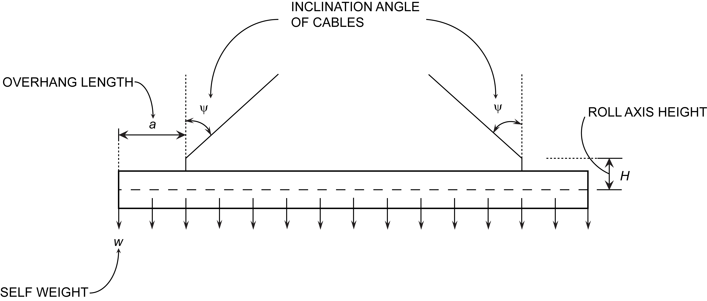

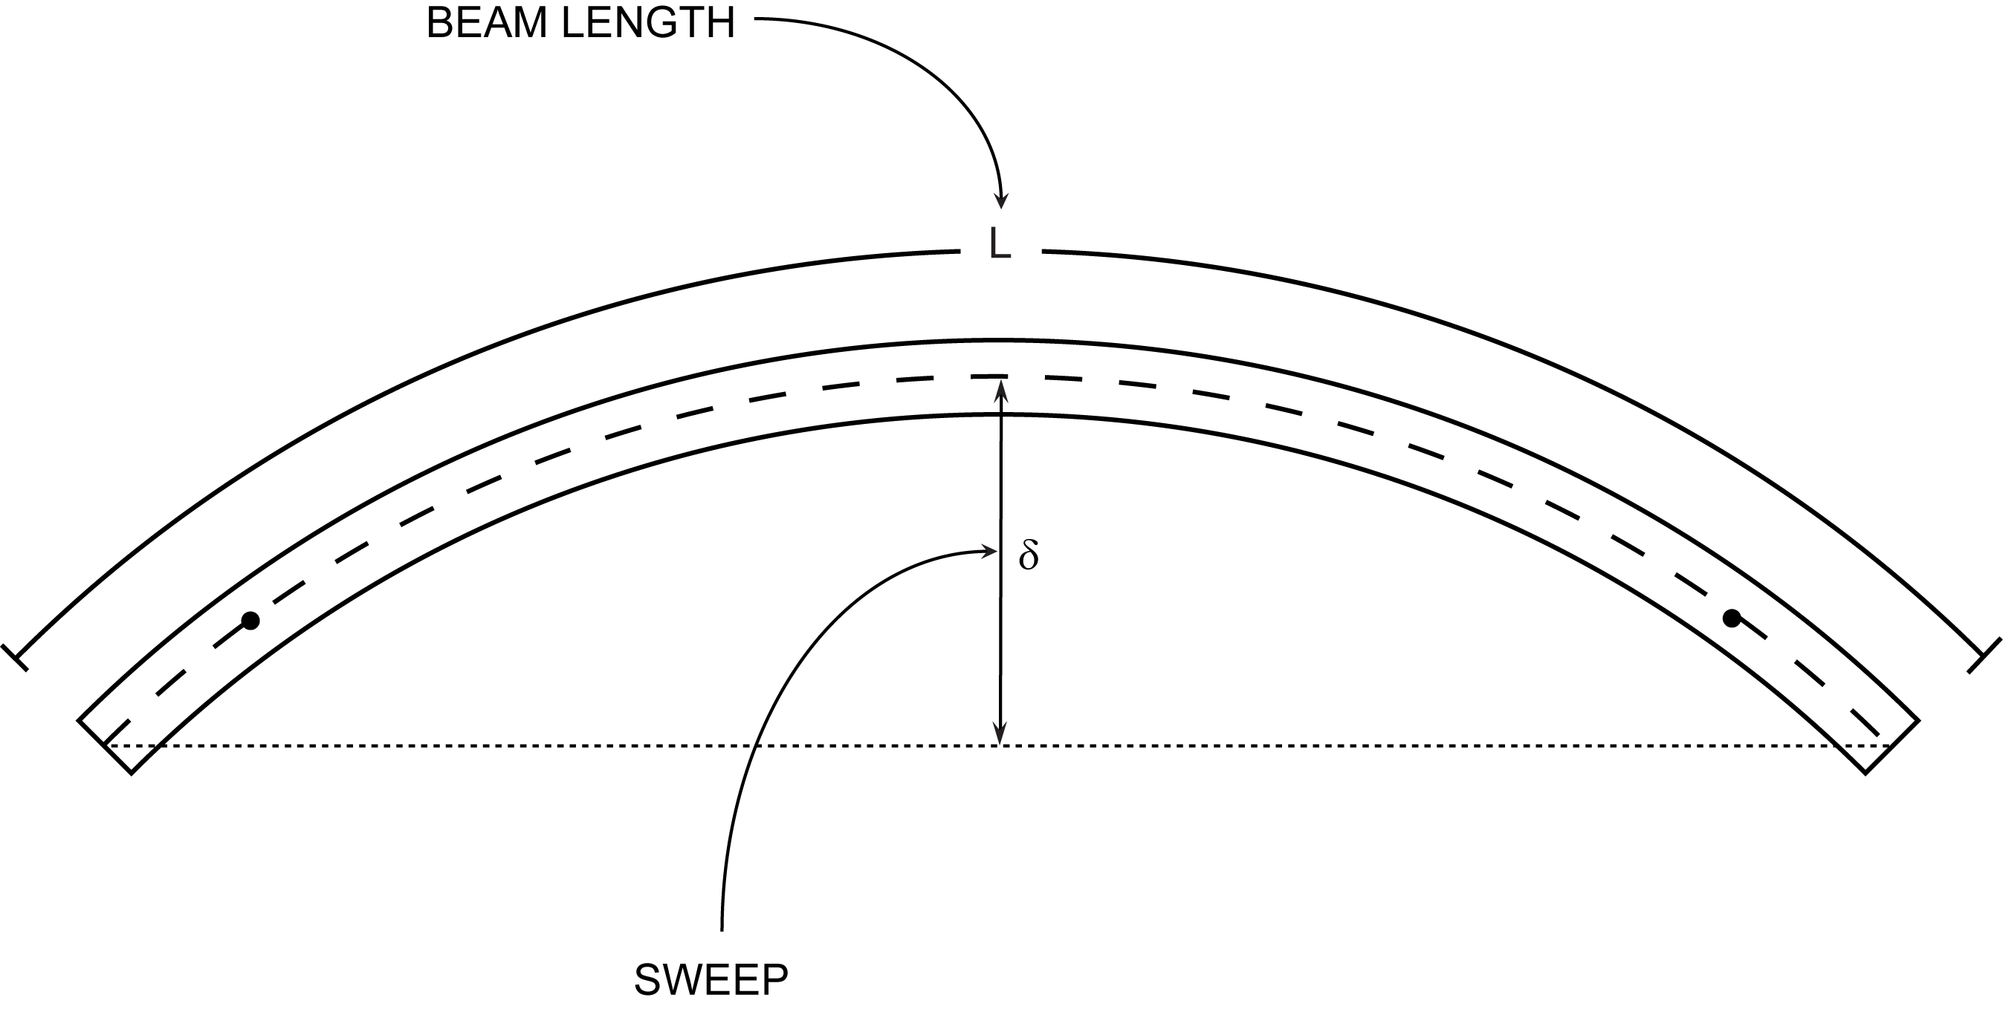
SWEEP

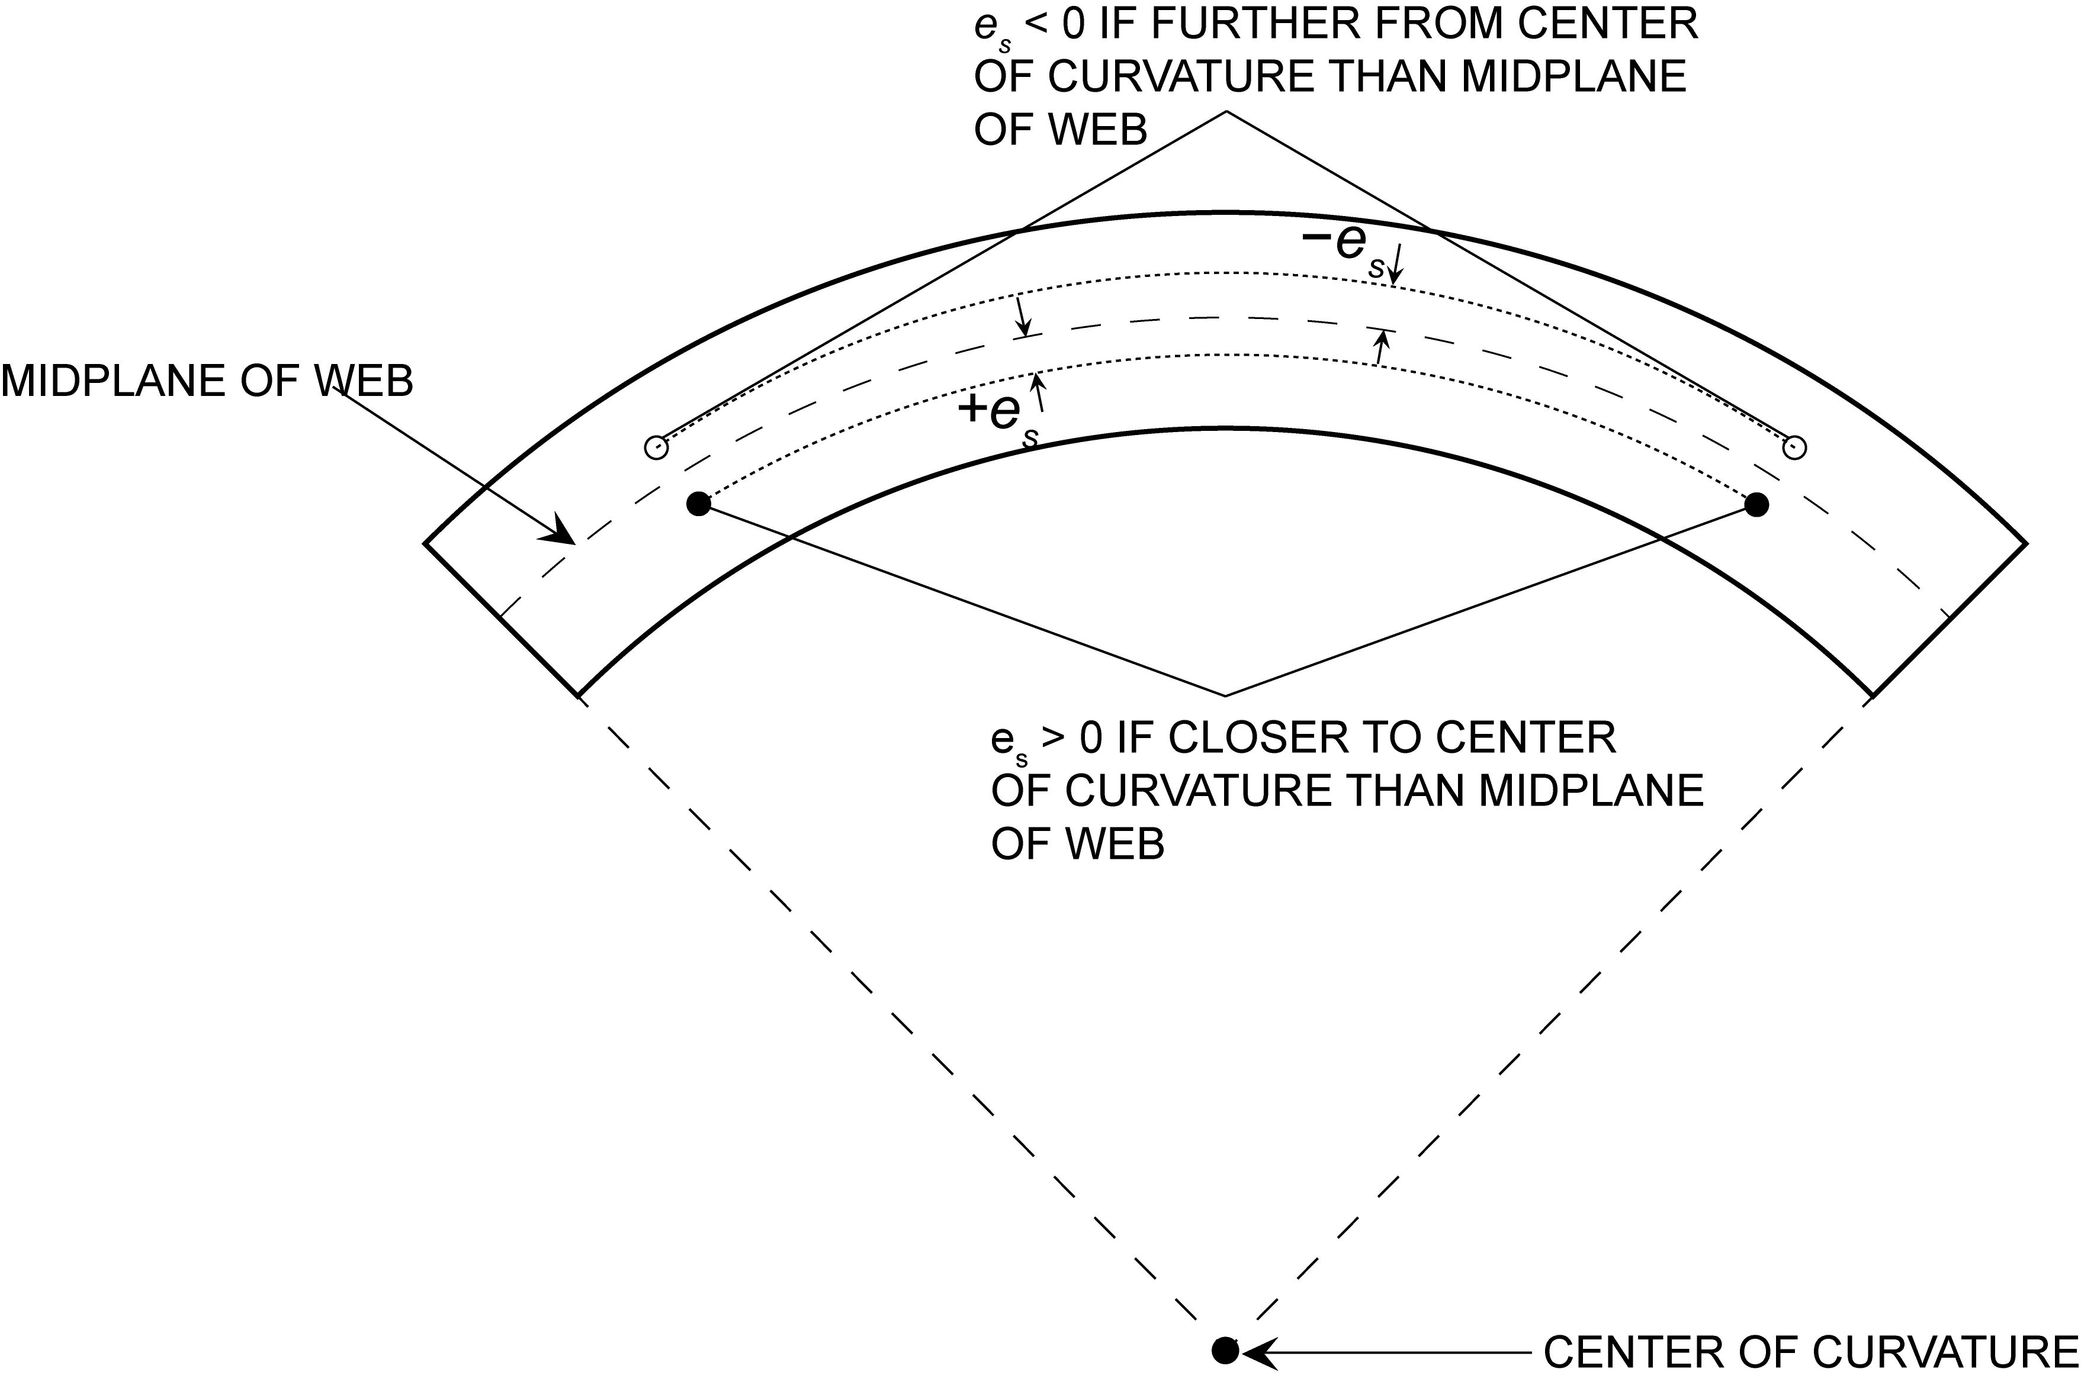
ECCENTRICITY OF LIFT SUPPORTS

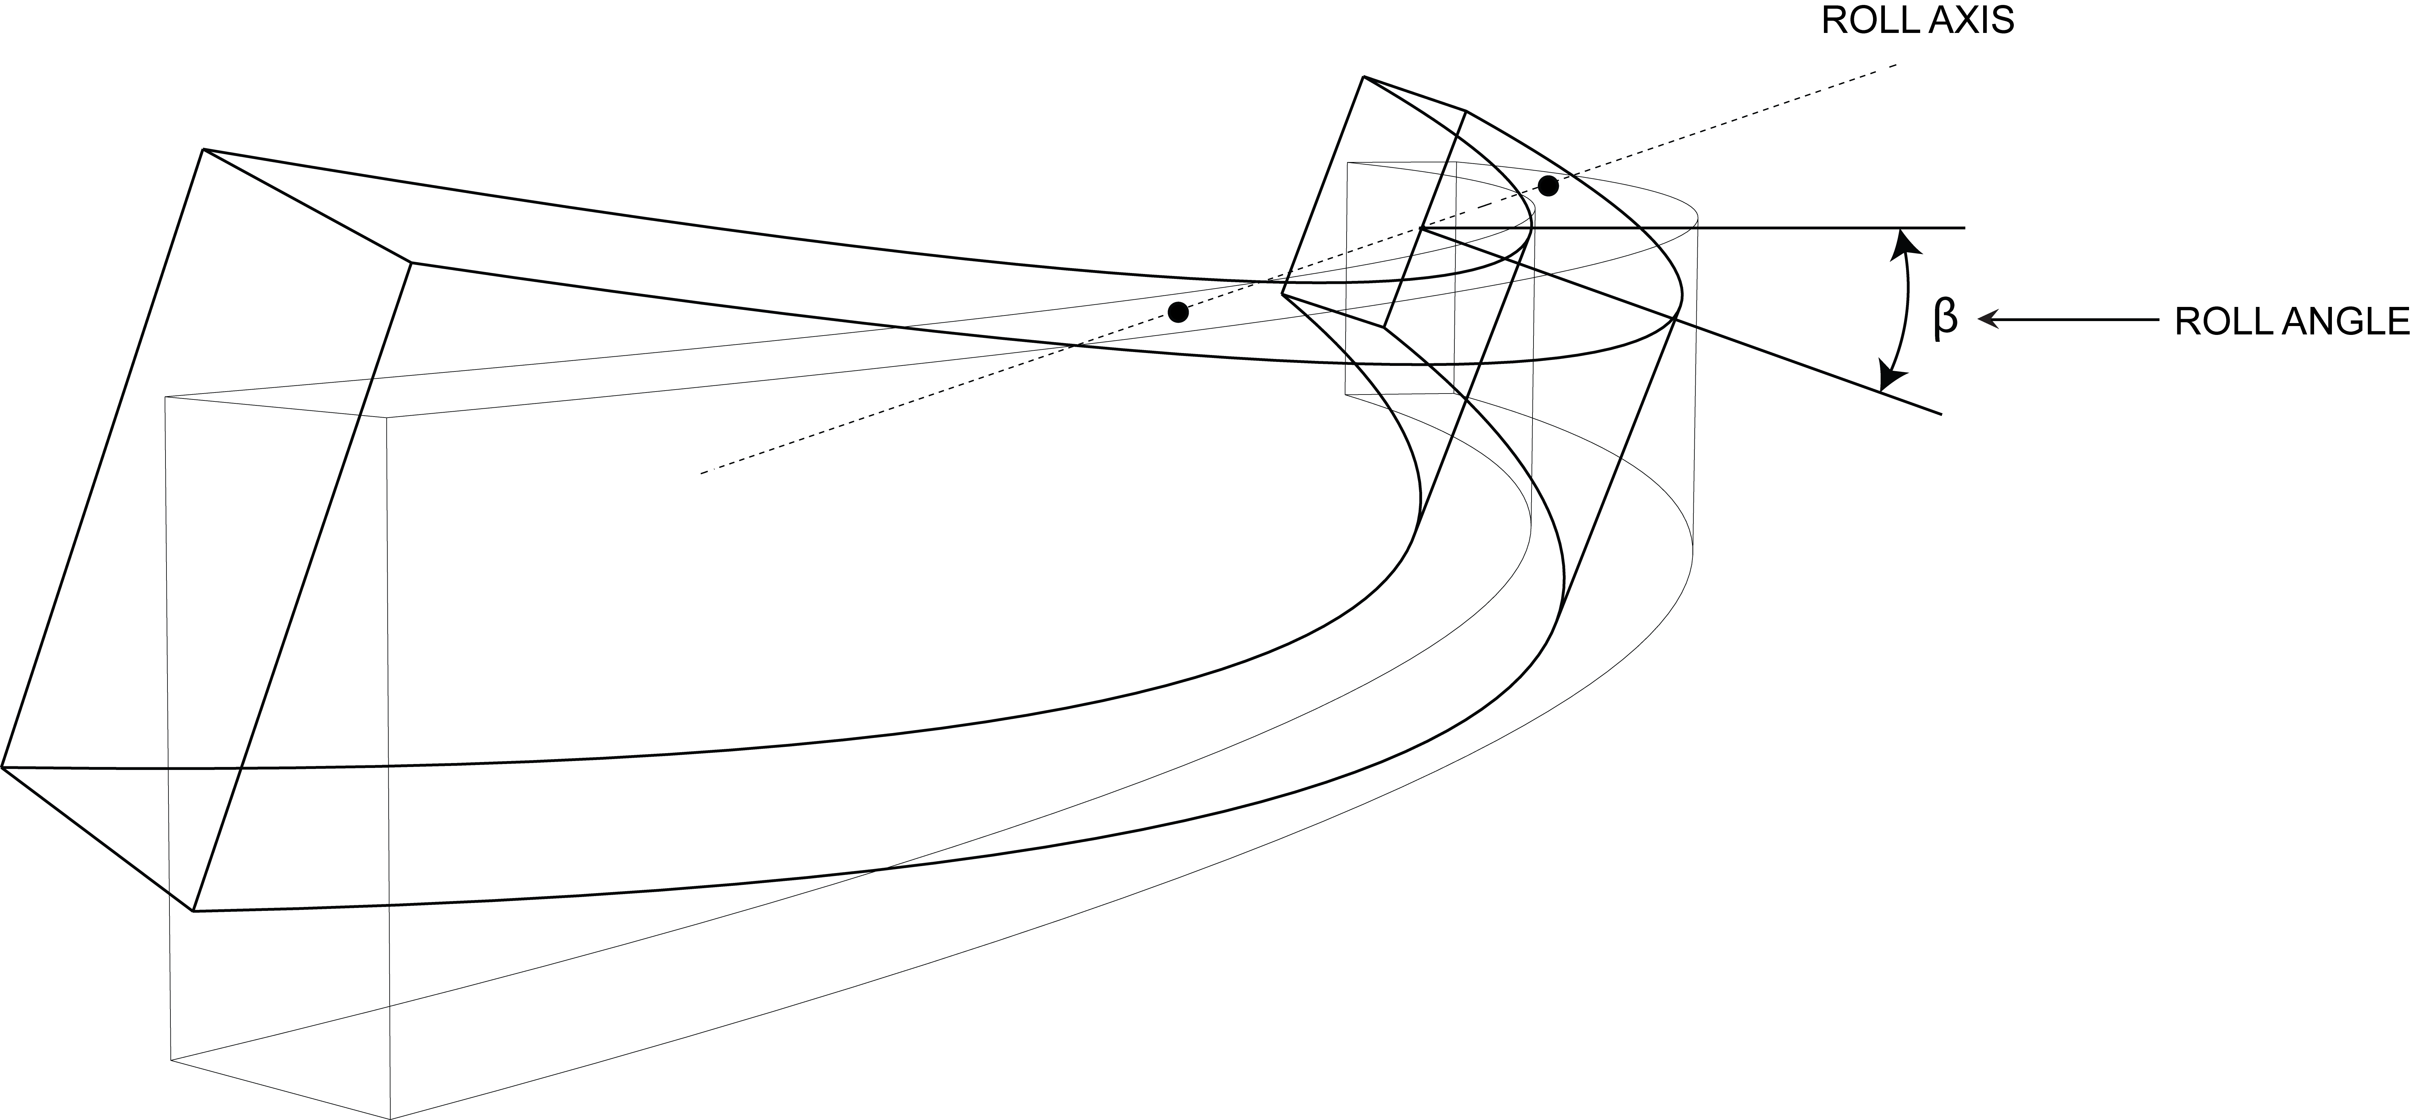
ROLL ANGLE

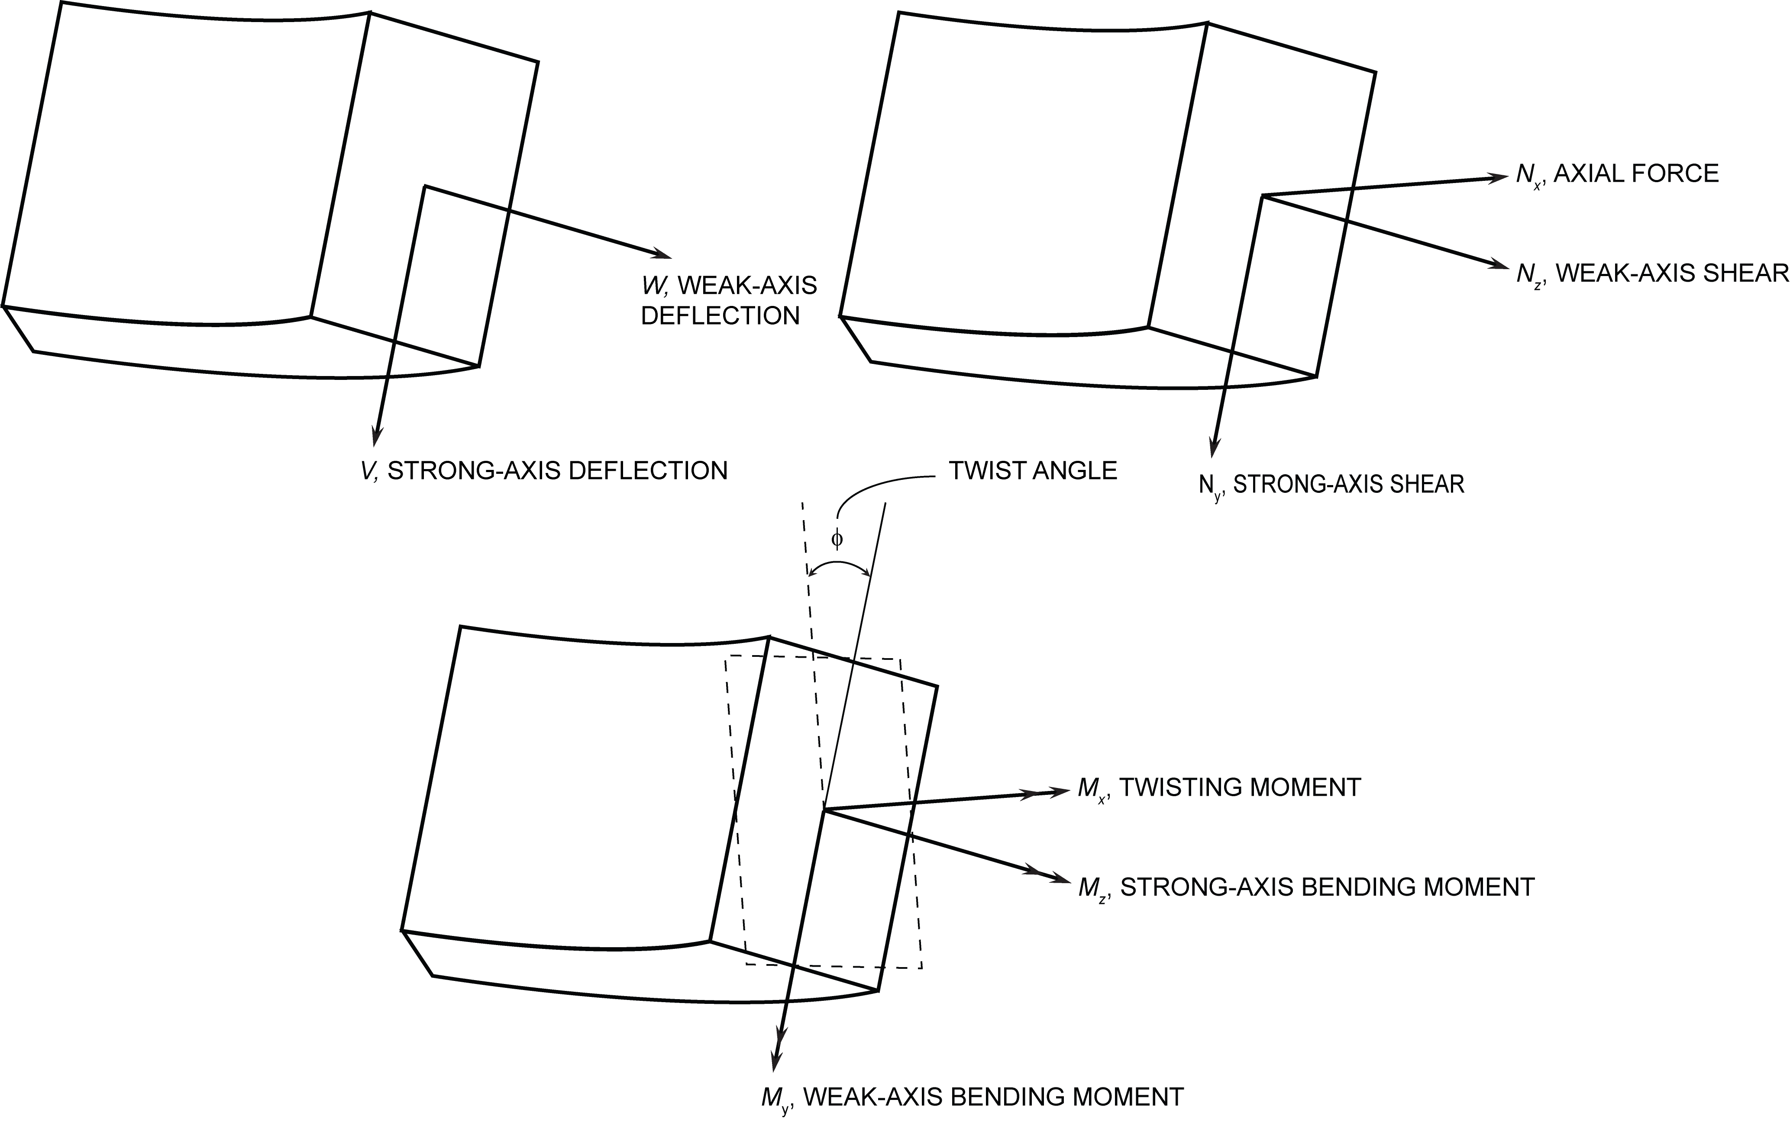
DEFLECTIONS, SHEAR, MOMENTS, AND TWIST

Plots
Weak-axis bending moment vs. position along right half of beam
0 | 11.715885336 | 11.715885336
0.4572 | 11.704164309 | 11.704164309
0.9144 | 11.669001228 | 11.669001228
1.3716 | 11.610396093 | 11.610396093
1.8288 | 11.528348907 | 11.528348907
2.286 | 11.422859669 | 11.422859669
2.7432 | 11.293928383 | 11.293928383
3.2004 | 11.141555051 | 11.141555051
3.6576 | 10.965739675 | 10.965739675
4.1148 | 10.76648226 | 10.76648226
4.572 | 10.543782808 | 10.543782808
5.0292 | 10.297641325 | 10.297641325
5.4864 | 10.028057814 | 10.028057814
5.9436 | 9.735032282 | 9.735032282
6.4008 | 9.4185647338 | 9.4185647338
6.858 | 9.0786551751 | 9.0786551751
7.3152 | 8.7153036129 | 8.7153036129
7.7724 | 8.3285100537 | 8.3285100537
8.2296 | 7.9182745058 | 7.9182745058
8.6868 | 7.484596976 | 7.484596976
9.144 | 7.0274774733 | 7.0274774733
9.6012 | 6.5469160068 | 6.5469160068
10.0584 | 6.0429125849 | 6.0429125849
10.5156 | 5.5154672173 | 5.5154672173
10.9728 | 4.9645799152 | 4.9645799152
11.43 | 4.3902506877 | 4.3902506877
11.8872 | 3.792479547 | 3.792479547
12.3444 | 3.1712665041 | 3.1712665041
12.8016 | 2.5266115711 | 2.5266115711
13.2588 | 1.8585147601 | 1.8585147601
13.716 | 1.1669760841 | 1.1669760841
14.1732 | 0.4519955564 | 0.4519955564
14.6304 | -0.28642680965 | -0.28642680965
15.0876 | -1.0482909992 | -1.0482909992
15.5448 | -1.833596998 | -1.833596998
16.002 | -2.6372175024 | -2.6372175024
16.4592 | -2.2973090852 | -2.2973090852
16.9164 | -1.980842701 | -1.980842701
17.3736 | -1.68781834 | -1.68781834
17.8308 | -1.4182359936 | -1.4182359936
18.288 | -1.1720956519 | -1.1720956519
18.7452 | -0.94939730411 | -0.94939730411
19.2024 | -0.7501409402 | -0.7501409402
19.6596 | -0.57432654851 | -0.57432654851
20.1168 | -0.42195411753 | -0.42195411753
20.574 | -0.29302363559 | -0.29302363559
21.0312 | -0.18753508917 | -0.18753508917
21.4884 | -0.10548846619 | -0.10548846619
21.9456 | -0.046883753161 | -0.046883753161
22.4028 | -0.011720935588 | -0.011720935588
...
Twisting moment vs. position along right half of beam
0 | 0
0.4572 | 0.094404422464
0.9144 | 0.1886198896
1.3716 | 0.2824574461
1.8288 | 0.3757281366
2.286 | 0.46824300584
2.7432 | 0.55981309847
3.2004 | 0.65024945918
3.6576 | 0.73936313266
4.1148 | 0.82696516364
4.572 | 0.9128665969
5.0292 | 0.99687847704
5.4864 | 1.0788118489
5.9436 | 1.1584777572
6.4008 | 1.2356872467
6.858 | 1.3102513622
7.3152 | 1.3819811484
7.7724 | 1.4506876504
8.2296 | 1.5161819127
8.6868 | 1.5782749805
9.144 | 1.6367778983
9.6012 | 1.6915017112
10.0584 | 1.7422574643
10.5156 | 1.7888562021
10.9728 | 1.8311089702
11.43 | 1.8688268129
11.8872 | 1.9018207759
12.3444 | 1.929901904
12.8016 | 1.9528812421
13.2588 | 1.9705698356
13.716 | 1.9827787295
14.1732 | 1.9893189692
14.6304 | 1.9900015996
15.0876 | 1.9846376664
15.5448 | 1.9730382145
16.002 | 0.10628702313
16.4592 | 0.086415287183
16.9164 | 0.069188916717
17.3736 | 0.054418957245
17.8308 | 0.041916454078
18.288 | 0.031492452568
18.7452 | 0.022957998065
19.2024 | 0.016124135882
19.6596 | 0.010801911408
20.1168 | 0.0068023698957
20.574 | 0.003936556656
21.0312 | 0.0020155170202
21.4884 | 0.00085029623947
21.9456 | 0.00025193962503
22.4028 | 3.1492453128E-05
...
Strong-axis bending moment vs. position along right half of beam
0 | -1180.4536595
0.4572 | -1179.272684
0.9144 | -1175.7297575
1.3716 | -1169.82488
1.8288 | -1161.5580515
2.286 | -1150.9292722
2.7432 | -1137.938542
3.2004 | -1122.585861
3.6576 | -1104.8712295
4.1148 | -1084.7946473
4.572 | -1062.3561148
5.0292 | -1037.555632
5.4864 | -1010.3931992
5.9436 | -980.86881637
6.4008 | -948.9824838
6.858 | -914.7342017
7.3152 | -878.12397029
7.7724 | -839.1517898
8.2296 | -797.81766045
8.6868 | -754.12158255
9.144 | -708.06355636
9.6012 | -659.64358216
10.0584 | -608.86166028
10.5156 | -555.71779109
10.9728 | -500.21197479
11.43 | -442.34421192
11.8872 | -382.11450272
12.3444 | -319.5228476
12.8016 | -254.56924694
13.2588 | -187.25370121
13.716 | -117.57621084
14.1732 | -45.536776224
14.6304 | 28.864602093
15.0876 | 105.62792375
15.5448 | 184.75318817
16.002 | 265.71860791
16.4592 | 231.47043537
16.9164 | 199.58420477
17.3736 | 170.05991641
17.8308 | 142.89757041
18.288 | 118.09716696
18.7452 | 95.658706203
19.2024 | 75.582188291
19.6596 | 57.86761339
20.1168 | 42.514981541
20.574 | 29.524292909
21.0312 | 18.895547575
21.4884 | 10.628745539
21.9456 | 4.7238869244
22.4028 | 1.1809717311
...

Cross-sectional twist vs. position along right half of beam
0 | -0.0035648641999
0.4572 | -0.0035612250705
0.9144 | -0.0035502429649
1.3716 | -0.003532001473
1.8288 | -0.0035064944274
2.286 | -0.0034737846131
2.7432 | -0.0034339640902
3.2004 | -0.0033871145161
3.6576 | -0.0033332674684
4.1148 | -0.0032726028323
4.572 | -0.0032052107351
5.0292 | -0.0031312105796
5.4864 | -0.0030507907206
5.9436 | -0.0029640894333
6.4008 | -0.0028713933002
6.858 | -0.0027727404362
7.3152 | -0.0026684362963
7.7724 | -0.0025586965782
8.2296 | -0.002443766254
8.6868 | -0.0023238798938
9.144 | -0.00219934102
9.6012 | -0.0020704030746
10.0584 | -0.0019373884531
10.5156 | -0.0018005694695
10.9728 | -0.0016603667463
11.43 | -0.0015169921154
11.8872 | -0.001370924749
12.3444 | -0.0012224747067
12.8016 | -0.0010720606781
13.2588 | -0.00092005127097
13.716 | -0.00076688404884
14.1732 | -0.00061302584734
14.6304 | -0.0004588140679
15.0876 | -0.00030485345238
15.5448 | -0.00015150027392
16.002 | 5.1616220166E-08
16.4592 | 1.6134125209E-05
16.9164 | 3.0882646394E-05
17.3736 | 4.4326455014E-05
17.8308 | 5.6696629419E-05
18.288 | 6.825273999E-05
18.7452 | 7.8994009691E-05
19.2024 | 8.923699738E-05
19.6596 | 9.892237466E-05
20.1168 | 0.00010825038308
20.574 | 0.00011739198982
21.0312 | 0.00012631558016
21.4884 | 0.00013513357126
21.9456 | 0.00014381356518
22.4028 | 0.00015252497109
...
Weak-axis deflection vs. position along right half of beam
0 | 0.0053524514117
0.4572 | 0.0053468518655
0.9144 | 0.0053305297837
1.3716 | 0.0053031277487
1.8288 | 0.0052647648997
2.286 | 0.0052156795153
2.7432 | 0.0051559907347
3.2004 | 0.0050855794186
3.6576 | 0.0050046838457
4.1148 | 0.0049136614338
4.572 | 0.0048123930435
5.0292 | 0.0047013552321
5.4864 | 0.0045805479995
5.9436 | 0.0044505670422
6.4008 | 0.0043111740815
6.858 | 0.0041630839532
7.3152 | 0.0040065349358
7.7724 | 0.0038417653079
8.2296 | 0.0036691324874
8.6868 | 0.0034892321706
9.144 | 0.0033021834968
9.6012 | 0.0031087013018
10.0584 | 0.0029089047249
10.5156 | 0.0027035086016
10.9728 | 0.0024928703499
11.43 | 0.0022777048054
11.8872 | 0.0020584885254
12.3444 | 0.0018355193579
12.8016 | 0.0016096908477
13.2588 | 0.0013814199822
13.716 | 0.0011514811667
14.1732 | 0.00092052966729
14.6304 | 0.00068904204113
15.0876 | 0.00045773312389
15.5448 | 0.00022761559948
16.002 | -9.9911769399E-07
16.4592 | -0.00022715804405
16.9164 | -0.00045116853855
17.3736 | -0.00067341461234
17.8308 | -0.00089404200006
18.288 | -0.0011132560051
18.7452 | -0.001331500207
19.2024 | -0.0015487416324
19.6596 | -0.0017653047243
20.1168 | -0.0019813947843
20.574 | -0.0021969788374
21.0312 | -0.0024123813269
21.4884 | -0.0026275692766
21.9456 | -0.0028426288524
22.4028 | -0.003057646217
...
Strong-axis deflection vs. position along right half of beam
0 | 0.02156242281
0.4572 | 0.021540752898
0.9144 | 0.021477203193
1.3716 | 0.021364629246
1.8288 | 0.021210331216
2.286 | 0.021013004784
2.7432 | 0.020774265691
3.2004 | 0.020487125199
3.6576 | 0.020159039173
4.1148 | 0.019800383553
4.572 | 0.019389880696
5.0292 | 0.018932222116
5.4864 | 0.01844654393
5.9436 | 0.017920328692
6.4008 | 0.017367028116
6.858 | 0.016768440288
7.3152 | 0.016132332528
7.7724 | 0.015469392159
8.2296 | 0.014781702034
8.6868 | 0.01403969144
9.144 | 0.013297381521
9.6012 | 0.012519517124
10.0584 | 0.011719861375
10.5156 | 0.010880523754
10.9728 | 0.010044156545
11.43 | 0.0091641357895
11.8872 | 0.0082774293043
12.3444 | 0.0073893514042
12.8016 | 0.0064735628026
13.2588 | 0.0055642668908
13.716 | 0.0046409646
14.1732 | 0.003709125818
14.6304 | 0.0027540914634
15.0876 | 0.001833269787
15.5448 | 0.00090326816015
16.002 | -1.0910781992E-05
16.4592 | -0.00092936577312
16.9164 | -0.00183576858
17.3736 | -0.0027215147452
17.8308 | -0.0036096534017
18.288 | -0.004508788831
18.7452 | -0.0053785076214
19.2024 | -0.0062561475138
19.6596 | -0.0071185039234
20.1168 | -0.0079970746809
20.574 | -0.0088628148955
21.0312 | -0.0097298579432
21.4884 | -0.010620941526
21.9456 | -0.011475211358
22.4028 | -0.012332614408
...

